Compiled
LightGBM model: training and validation scores (1km buffer datasets)
LightGBM model traning and validation scores for 1km buffer datasets
1km_buffer | SS01_1K |  | TS01_1K |  | TS02_1K |  | TS03_1K |  | TS04_1K |  | TS05_1K |  | TS_Avg_1k
 | mean | std | mean | std | mean | std | mean | std | mean | std | mean | std | mean | std
Valid_accuracy | 0.78 | 0.03 | 0.70 | 0.03 | 0.71 | 0.07 | 0.70 | 0.06 | 0.67 | 0.04 | 0.70 | 0.04 | 0.70 | 0.05
train_accuracy | 0.83 | 0.01 | 0.77 | 0.02 | 0.77 | 0.02 | 0.75 | 0.01 | 0.79 | 0.03 | 0.76 | 0.02 | 0.77 | 0.02
Valid_precision | 0.81 | 0.04 | 0.71 | 0.06 | 0.75 | 0.08 | 0.72 | 0.10 | 0.70 | 0.06 | 0.71 | 0.06 | 0.72 | 0.07
train_precision | 0.87 | 0.01 | 0.78 | 0.02 | 0.83 | 0.02 | 0.78 | 0.01 | 0.81 | 0.02 | 0.76 | 0.02 | 0.79 | 0.02
Valid_recall | 0.74 | 0.03 | 0.70 | 0.07 | 0.63 | 0.08 | 0.68 | 0.08 | 0.64 | 0.04 | 0.72 | 0.07 | 0.67 | 0.07
train_recall | 0.78 | 0.03 | 0.75 | 0.02 | 0.69 | 0.05 | 0.72 | 0.03 | 0.76 | 0.05 | 0.76 | 0.03 | 0.74 | 0.03
Valid_f1 | 0.77 | 0.03 | 0.70 | 0.03 | 0.69 | 0.08 | 0.70 | 0.06 | 0.67 | 0.03 | 0.71 | 0.03 | 0.69 | 0.05
train_f1 | 0.82 | 0.01 | 0.76 | 0.02 | 0.75 | 0.03 | 0.75 | 0.01 | 0.78 | 0.03 | 0.76 | 0.02 | 0.76 | 0.02

LightGBM model testing scores for 1km buffer datasets
1km_buffer | SS01_1K | TS01_1K | TS02_1K | TS03_1K | TS04_1K | TS05_1K | TS_Avg_1k
Test_accuracy | 0.82 | 0.73 | 0.72 | 0.71 | 0.68 | 0.70 | 0.71
Test_precision | 0.82 | 0.73 | 0.73 | 0.71 | 0.68 | 0.71 | 0.71
Test_recall | 0.82 | 0.73 | 0.72 | 0.71 | 0.68 | 0.69 | 0.71
Test_f1 | 0.82 | 0.73 | 0.72 | 0.71 | 0.68 | 0.69 | 0.71

LightGBM model: training and validation scores (3km buffer datasets)
LightGBM model traning and validation scores for 3km buffer datasets
3km_buffer | SS01_3K |  | TS01_3K |  | TS02_3K |  | TS03_3K |  | TS04_3K |  | TS05_3K |  | TS_Avg_1k
 | mean | std | mean | std | mean | std | mean | std | mean | std | mean | std | mean | std
Valid_accuracy | 0.81 | 0.04 | 0.75 | 0.04 | 0.74 | 0.03 | 0.74 | 0.04 | 0.71 | 0.06 | 0.72 | 0.03 | 0.73 | 0.04
train_accuracy | 0.89 | 0.01 | 0.83 | 0.01 | 0.81 | 0.01 | 0.80 | 0.01 | 0.78 | 0.01 | 0.78 | 0.01 | 0.80 | 0.01
Valid_precision | 0.84 | 0.03 | 0.76 | 0.04 | 0.75 | 0.04 | 0.76 | 0.05 | 0.73 | 0.06 | 0.74 | 0.02 | 0.75 | 0.04
train_precision | 0.92 | 0.01 | 0.84 | 0.01 | 0.82 | 0.01 | 0.83 | 0.01 | 0.80 | 0.02 | 0.80 | 0.01 | 0.82 | 0.01
Valid_recall | 0.77 | 0.06 | 0.76 | 0.06 | 0.73 | 0.05 | 0.73 | 0.06 | 0.69 | 0.06 | 0.70 | 0.07 | 0.72 | 0.06
train_recall | 0.87 | 0.02 | 0.82 | 0.01 | 0.80 | 0.01 | 0.78 | 0.01 | 0.75 | 0.01 | 0.76 | 0.02 | 0.78 | 0.01
Valid_f1 | 0.80 | 0.04 | 0.76 | 0.04 | 0.74 | 0.03 | 0.74 | 0.04 | 0.71 | 0.06 | 0.72 | 0.04 | 0.73 | 0.04
train_f1 | 0.89 | 0.01 | 0.83 | 0.01 | 0.81 | 0.01 | 0.80 | 0.01 | 0.77 | 0.01 | 0.78 | 0.01 | 0.80 | 0.01

Model average test perfomance on 3km buffer TS datasets
LightGBM model testing scores for 3km buffer datasets
3km_buffer | SS01_3K | TS01_3K | TS02_3K | TS03_3K | TS04_3K | TS05_3K | TS_Avg_3k
Test_accuracy | 0.85 | 0.75 | 0.75 | 0.77 | 0.74 | 0.75 | 0.75
Test_precision | 0.85 | 0.76 | 0.75 | 0.77 | 0.74 | 0.75 | 0.75
Test_recall | 0.85 | 0.75 | 0.75 | 0.77 | 0.74 | 0.75 | 0.75
Test_f1 | 0.85 | 0.75 | 0.75 | 0.77 | 0.74 | 0.75 | 0.75

3km_buffer | LGBM_3k | XGB_3k | RF_3k | LR_3k
Test_accuracy | 0.75 | 0.77 | 0.73 | 0.72
Test_precision | 0.75 | 0.77 | 0.73 | 0.72
Test_recall | 0.75 | 0.77 | 0.73 | 0.72
Test_f1 | 0.75 | 0.77 | 0.73 | 0.72
Model average test perfomance on 1km buffer TS datasets

1km_buffer | LGBM_1k | XGB_1k | RF_1k | LR_1k
Test_accuracy | 0.71 | 0.71 | 0.71 | 0.68
Test_precision | 0.71 | 0.71 | 0.71 | 0.68
Test_recall | 0.71 | 0.71 | 0.71 | 0.68
Test_f1 | 0.71 | 0.71 | 0.71 | 0.68

TS01_1k
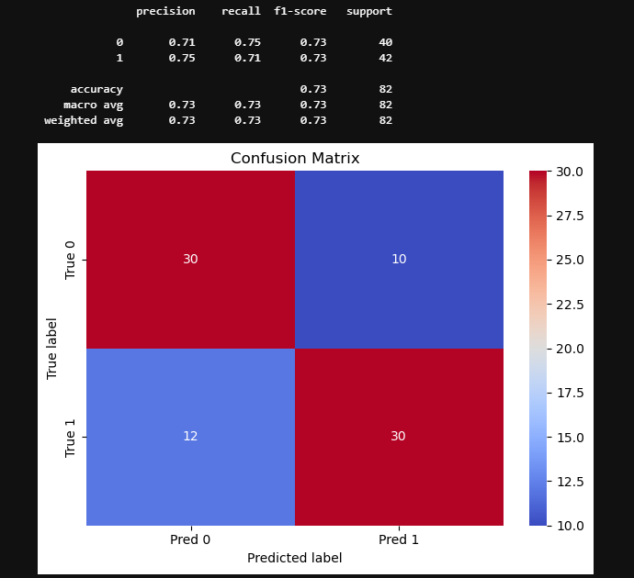
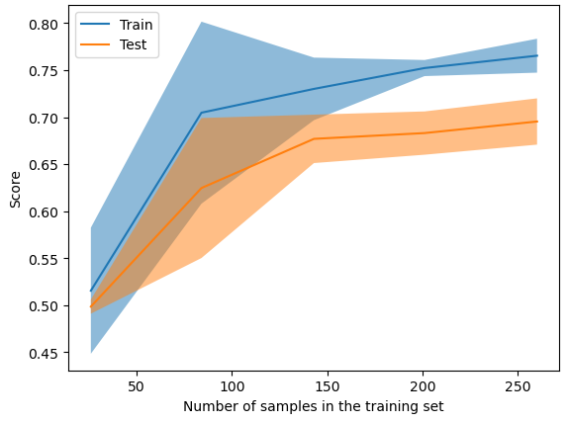
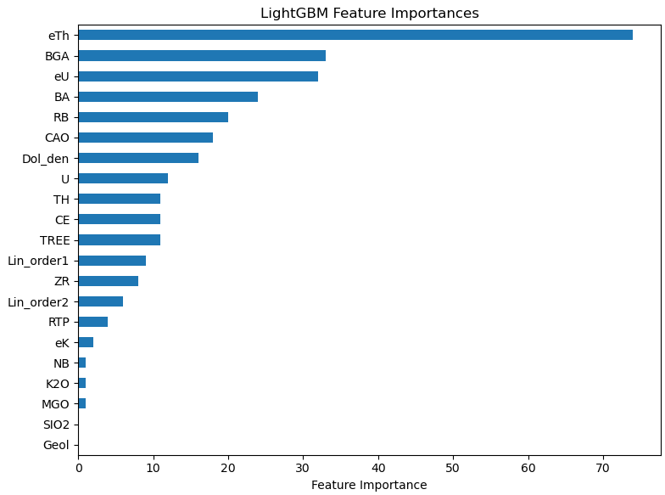
mean | std
fit_time | 0.068442 | 0.00958
score_time | 0.024924 | 0.006549
test_accuracy | 0.695385 | 0.027521
train_accuracy | 0.765385 | 0.020169
test_precision | 0.708126 | 0.058264
train_precision | 0.781585 | 0.024033
test_recall | 0.69697 | 0.074227
train_recall | 0.74697 | 0.021158
test_f1 | 0.698289 | 0.026256
train_f1 | 0.763767 | 0.019916

TS02_1k
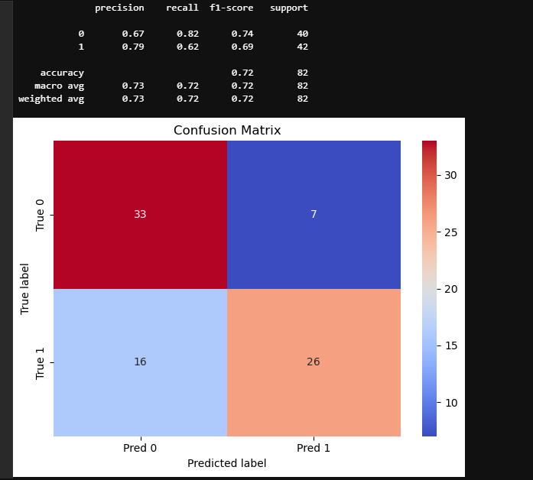
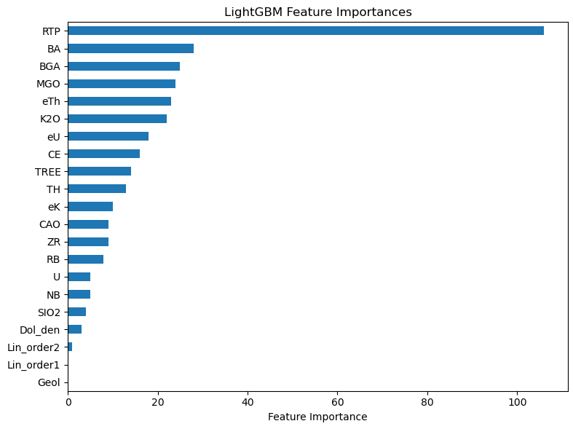
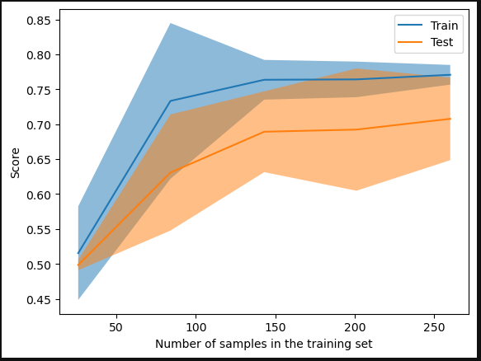
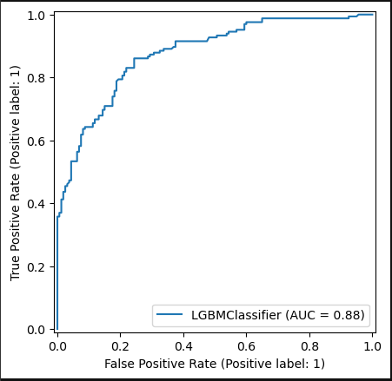
mean | std
fit_time | 0.106519 | 0.012201
score_time | 0.018813 | 0.006586
test_accuracy | 0.707692 | 0.066172
train_accuracy | 0.770769 | 0.015765
test_precision | 0.753916 | 0.081684
train_precision | 0.83256 | 0.019665
test_recall | 0.630303 | 0.084087
train_recall | 0.687879 | 0.047733
test_f1 | 0.685353 | 0.078841
train_f1 | 0.752188 | 0.025814

TS03_1k
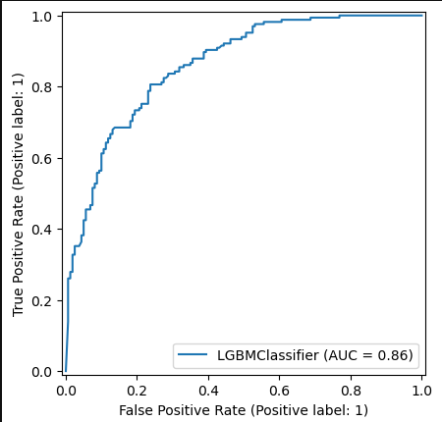
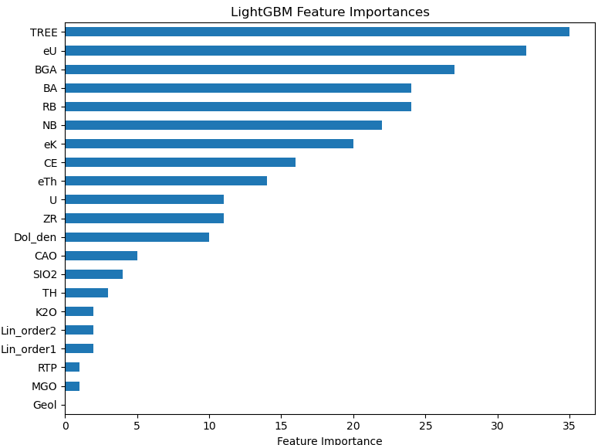
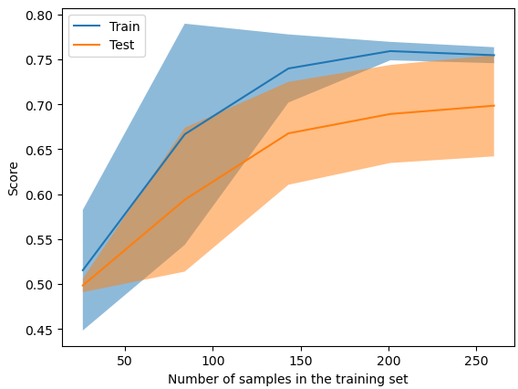
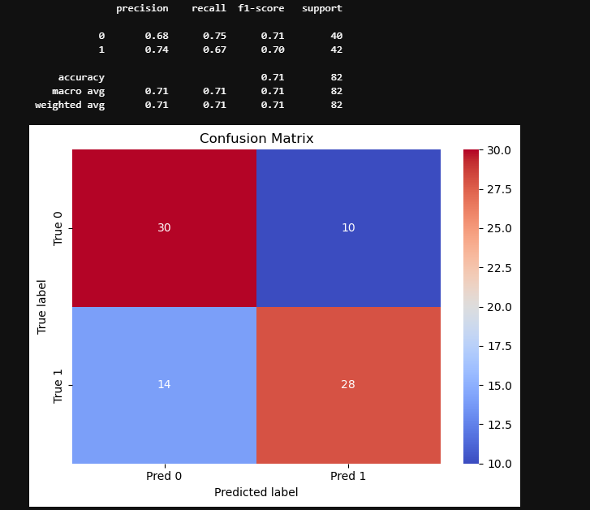
 | mean | std
fit_time | 0.075174 | 0.005928
score_time | 0.028177 | 0.007031
test_accuracy | 0.698462 | 0.063058
train_accuracy | 0.754615 | 0.009956
test_precision | 0.722124 | 0.096711
train_precision | 0.778452 | 0.012079
test_recall | 0.678788 | 0.07606
train_recall | 0.722727 | 0.029145
test_f1 | 0.696046 | 0.060292
train_f1 | 0.749195 | 0.014237

TS04_1k
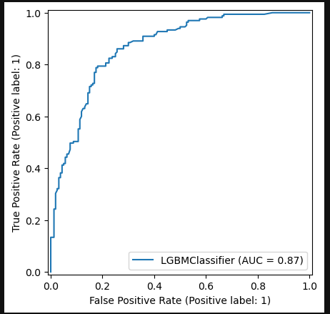
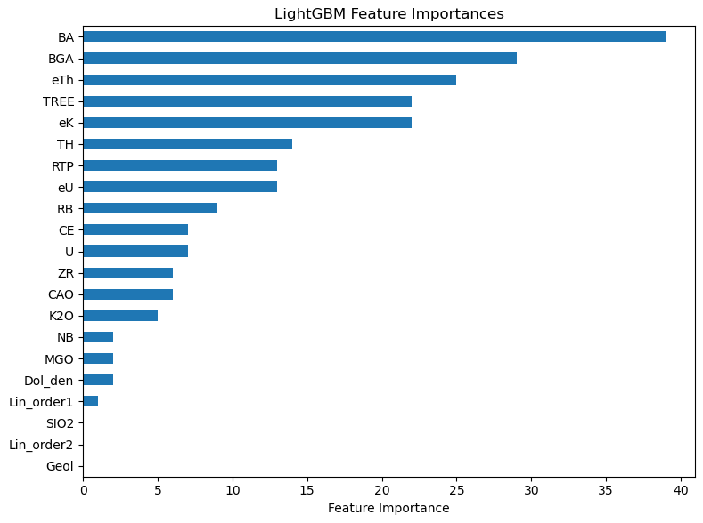
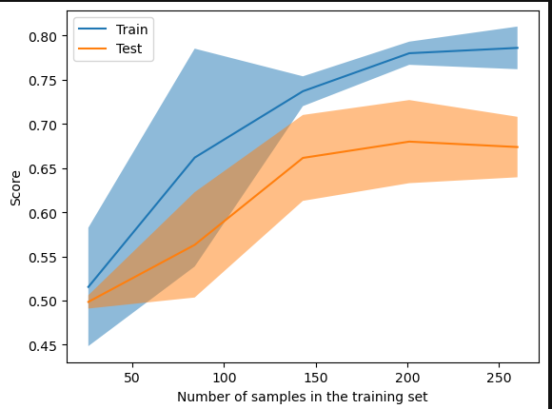
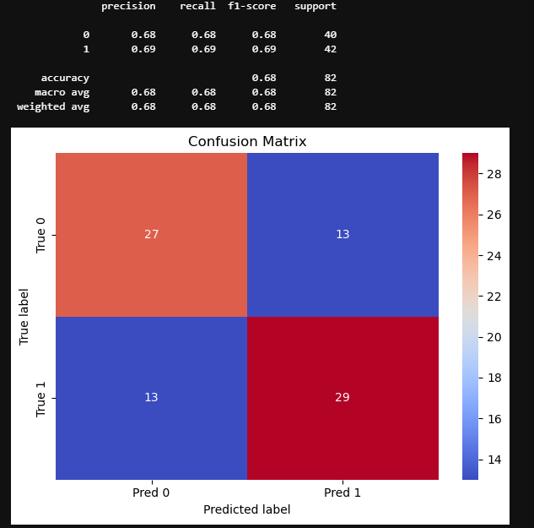
mean | std
fit_time | 0.073546 | 0.006776
score_time | 0.023574 | 0.007789
test_accuracy | 0.673846 | 0.038307
train_accuracy | 0.786154 | 0.027005
test_precision | 0.697745 | 0.063549
train_precision | 0.807888 | 0.020389
test_recall | 0.642424 | 0.03951
train_recall | 0.759091 | 0.049793
test_f1 | 0.667028 | 0.030572
train_f1 | 0.782232 | 0.032627

TS05_1k
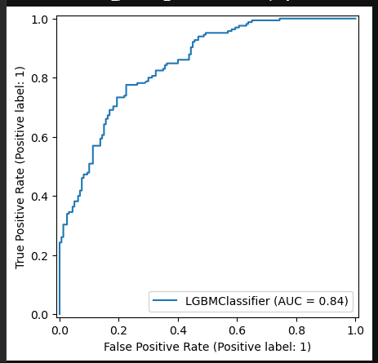
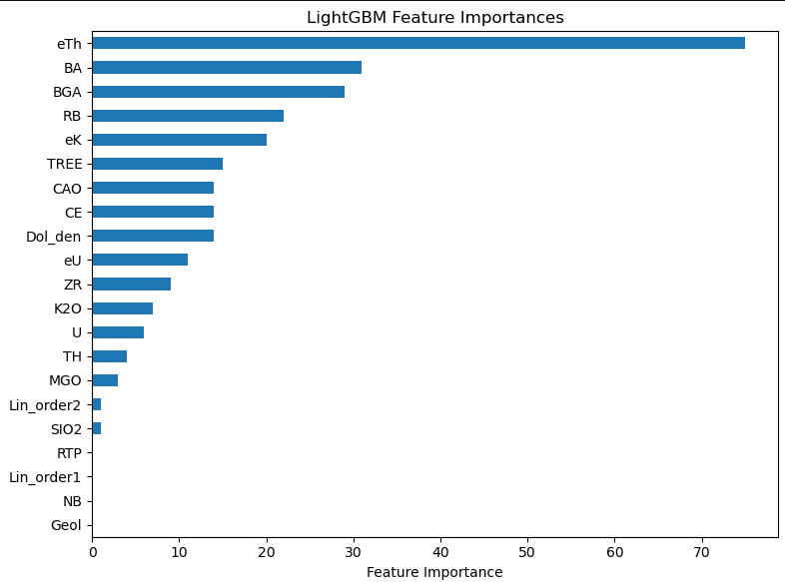
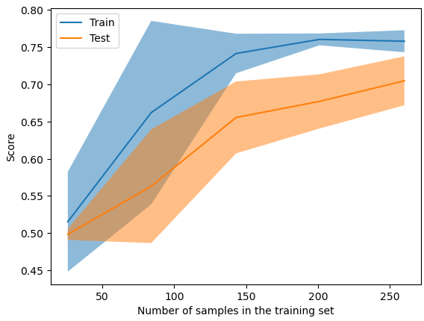
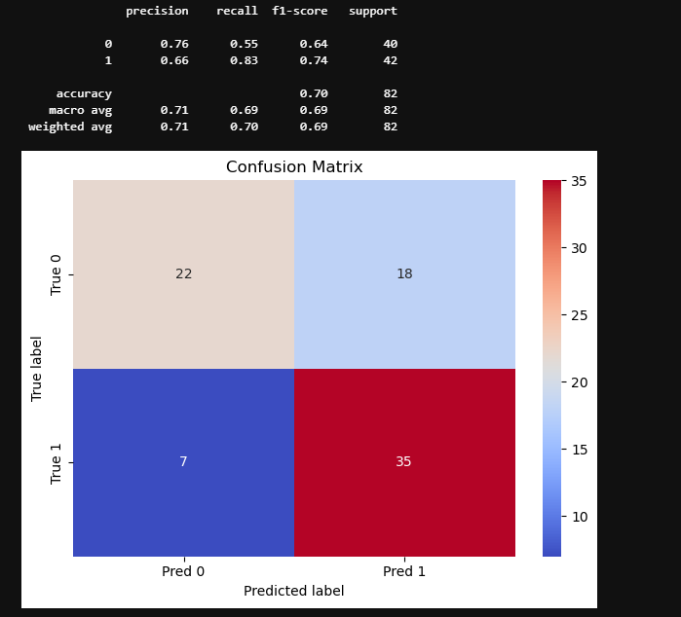
mean | std
fit_time | 0.068317 | 0.003161
score_time | 0.025286 | 0.002031
test_accuracy | 0.704615 | 0.03673
train_accuracy | 0.757692 | 0.016543
test_precision | 0.712175 | 0.058468
train_precision | 0.762076 | 0.019479
test_recall | 0.715152 | 0.069763
train_recall | 0.760606 | 0.025466
test_f1 | 0.710391 | 0.033815
train_f1 | 0.76111 | 0.016878

SS01_1k
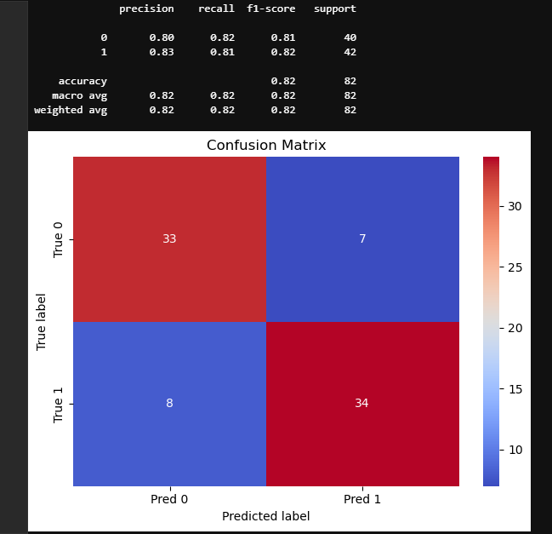
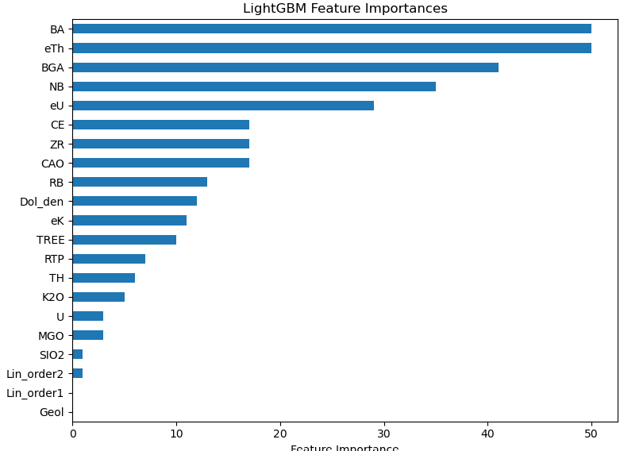
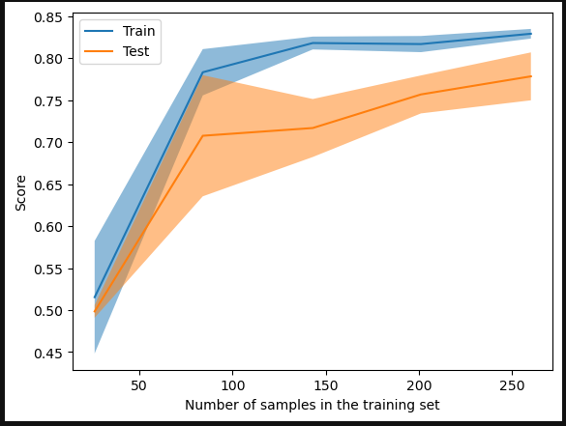
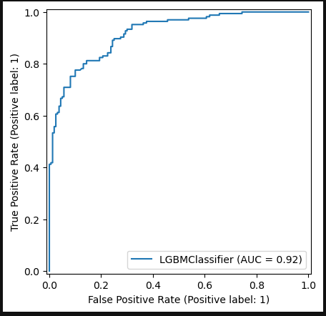
mean | std
fit_time | 0.075204 | 0.008945
score_time | 0.019856 | 0.006705
test_accuracy | 0.778462 | 0.031902
train_accuracy | 0.829231 | 0.006436
test_precision | 0.808603 | 0.039296
train_precision | 0.870333 | 0.011825
test_recall | 0.739394 | 0.034551
train_recall | 0.780303 | 0.025691
test_f1 | 0.772161 | 0.032443
train_f1 | 0.822526 | 0.010048

SS01_3k
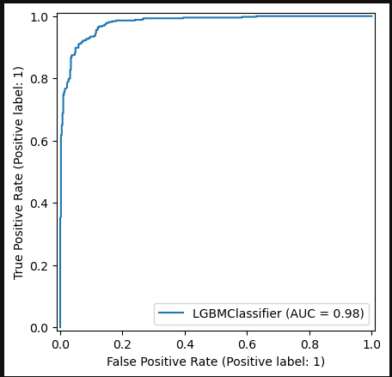
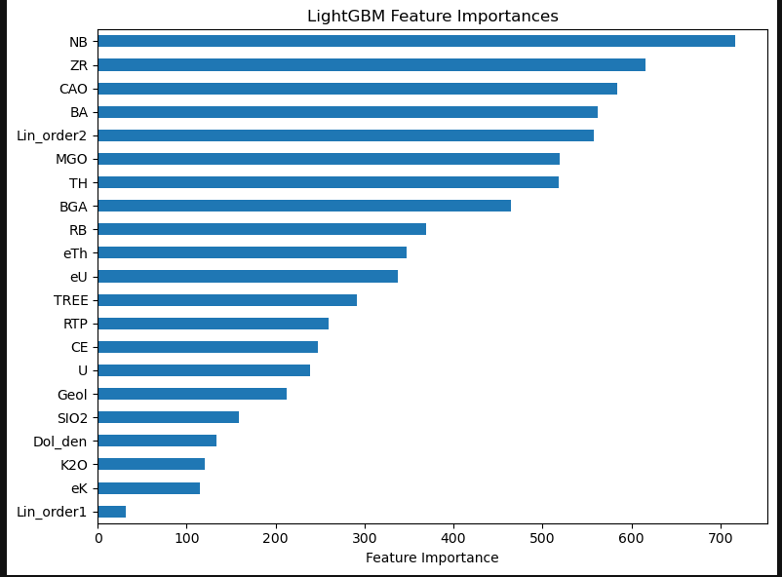
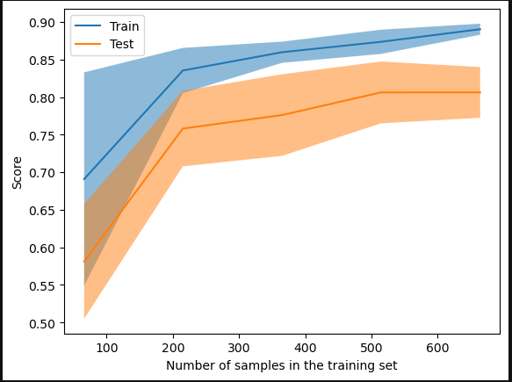
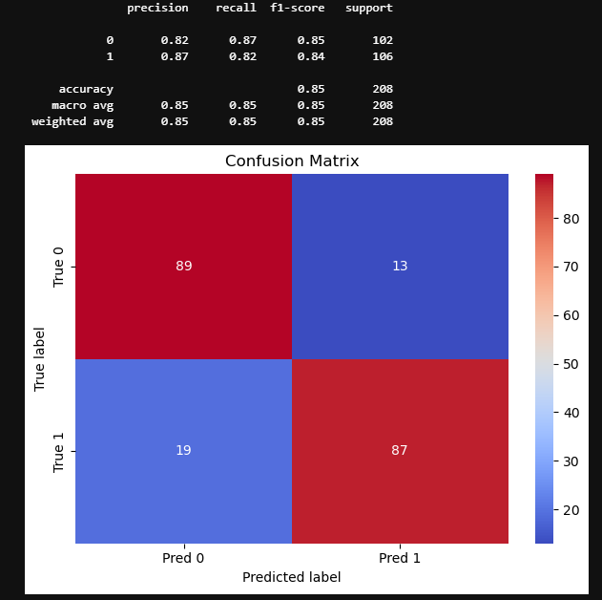
 | mean | std
fit_time | 0.142899 | 0.0078
score_time | 0.0088 | 0.001096
test_accuracy | 0.808614 | 0.036
train_accuracy | 0.892599 | 0.009371
test_precision | 0.841579 | 0.029913
train_precision | 0.915388 | 0.007103
test_recall | 0.768179 | 0.057804
train_recall | 0.869405 | 0.016299
test_f1 | 0.802642 | 0.041652
train_f1 | 0.891744 | 0.009975

TS01_3k
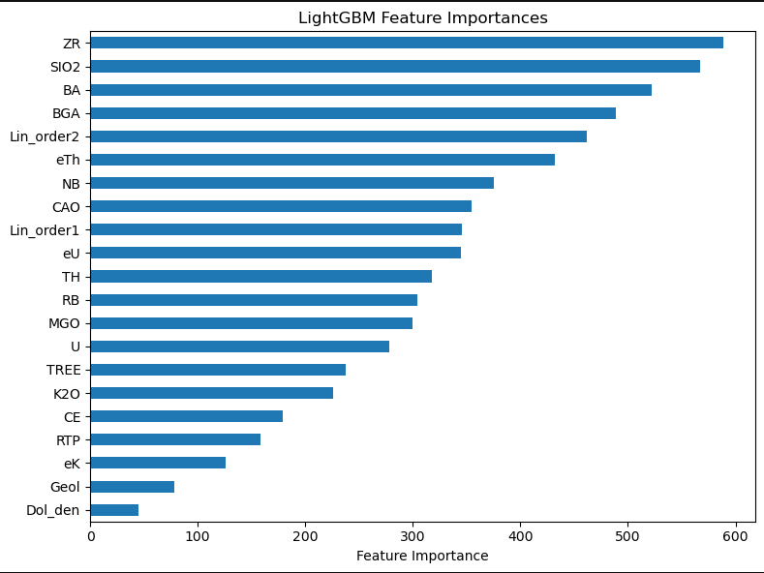
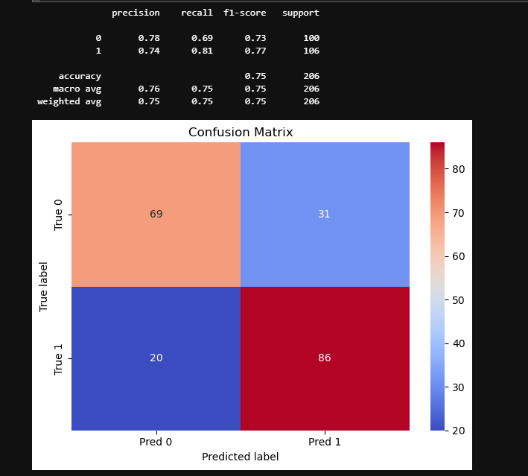
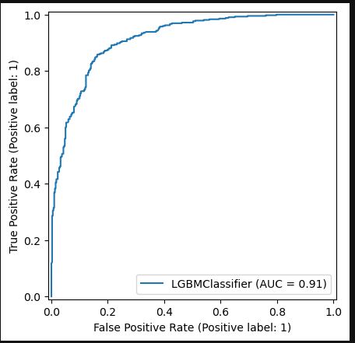
 | mean | std
fit_time | 0.155893 | 0.014576
score_time | 0.012911 | 0.002061
test_accuracy | 0.749638 | 0.042389
train_accuracy | 0.830494 | 0.008918
test_precision | 0.755138 | 0.037723
train_precision | 0.844703 | 0.014706
test_recall | 0.758768 | 0.059812
train_recall | 0.821503 | 0.011382
test_f1 | 0.756401 | 0.04474
train_f1 | 0.832843 | 0.008279

TS02_3k
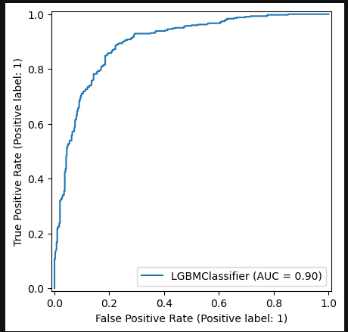
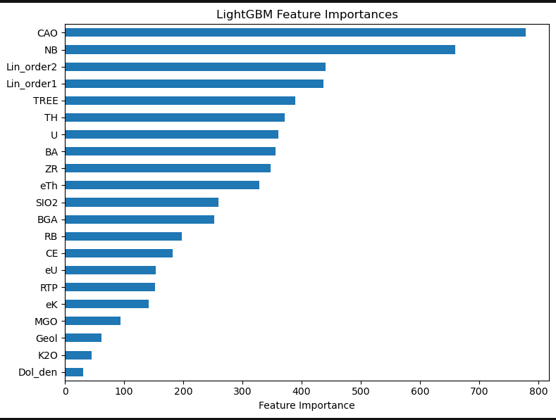
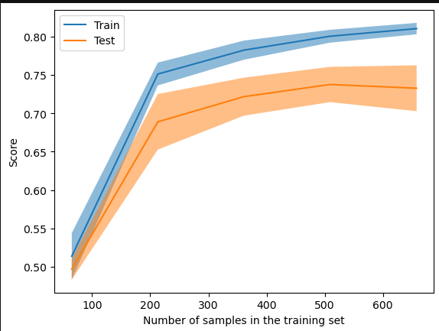
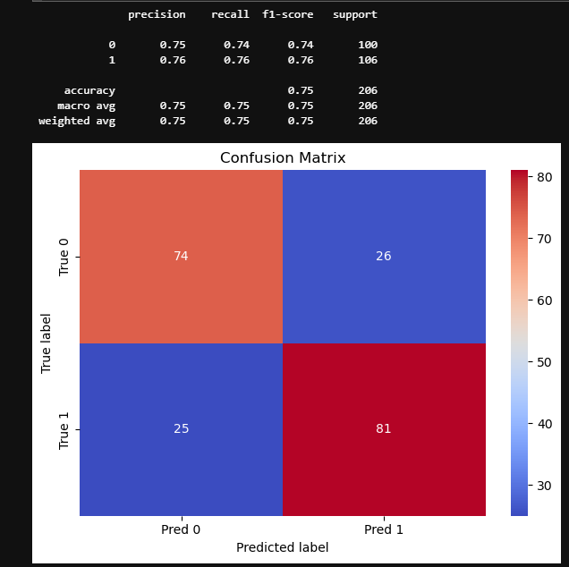
 | mean | std
fit_time | 0.127094 | 0.026516
score_time | 0.009784 | 0.002398
test_accuracy | 0.735129 | 0.032665
train_accuracy | 0.80984 | 0.006177
test_precision | 0.751432 | 0.035935
train_precision | 0.823247 | 0.011872
test_recall | 0.725798 | 0.046373
train_recall | 0.802596 | 0.013189
test_f1 | 0.737725 | 0.034422
train_f1 | 0.812672 | 0.006058

TS03_3k
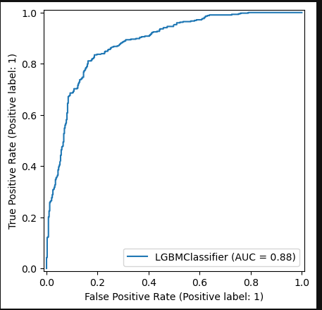
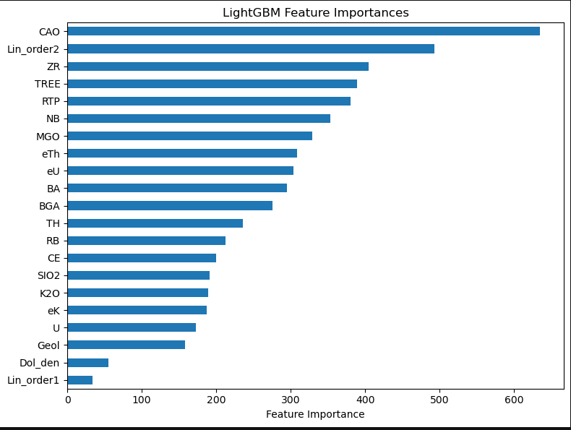
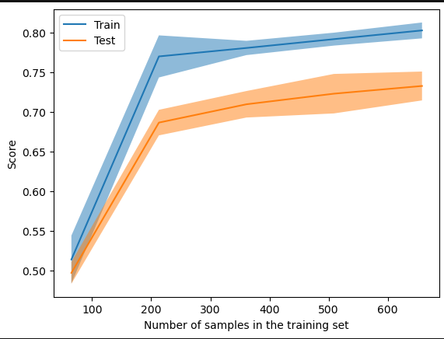
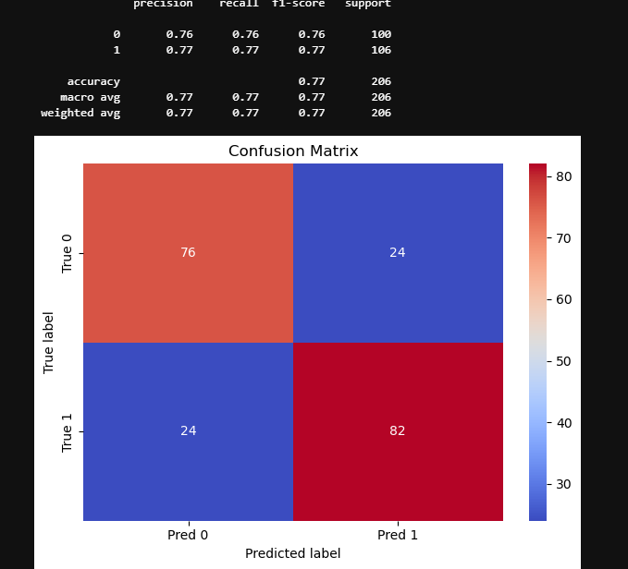
mean | std
fit_time | 0.043707 | 0.010731
score_time | 0.0108 | 0.002167
test_accuracy | 0.738721 | 0.035547
train_accuracy | 0.801639 | 0.005786
test_precision | 0.755874 | 0.050643
train_precision | 0.826572 | 0.008228
test_recall | 0.732801 | 0.063983
train_recall | 0.777187 | 0.005363
test_f1 | 0.742002 | 0.035661
train_f1 | 0.801102 | 0.005447

TS04_4k
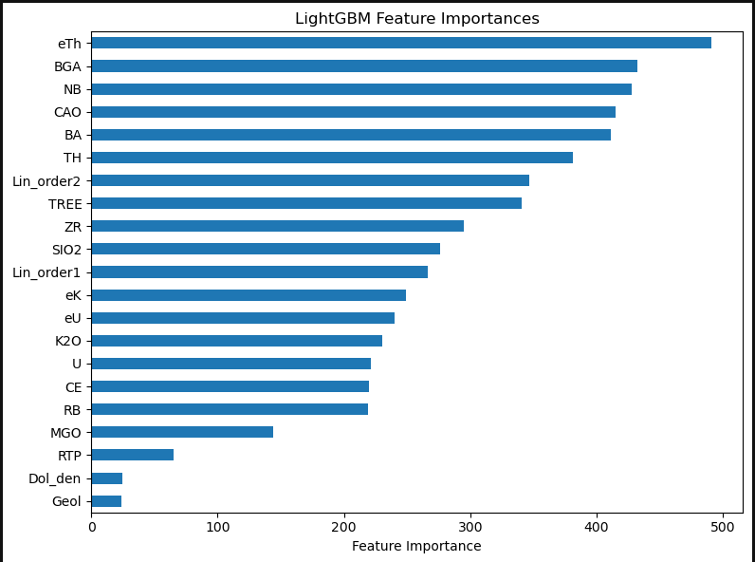

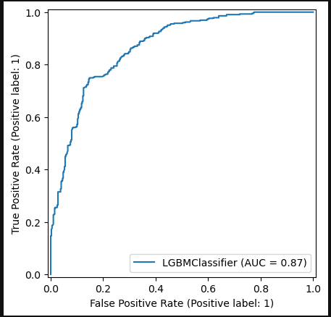
 | mean | std
fit_time | 0.111354 | 0.012535
score_time | 0.009 | 0.000708
test_accuracy | 0.710783 | 0.055526
train_accuracy | 0.775512 | 0.010261
test_precision | 0.731963 | 0.056993
train_precision | 0.803621 | 0.016781
test_recall | 0.690252 | 0.057621
train_recall | 0.745871 | 0.013807
test_f1 | 0.710286 | 0.055949
train_f1 | 0.773525 | 0.009709

TS05_5k
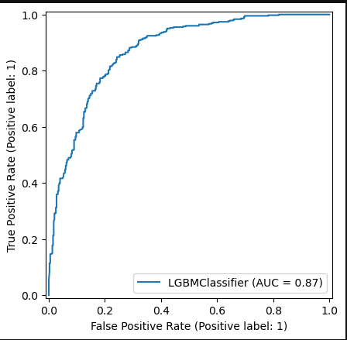
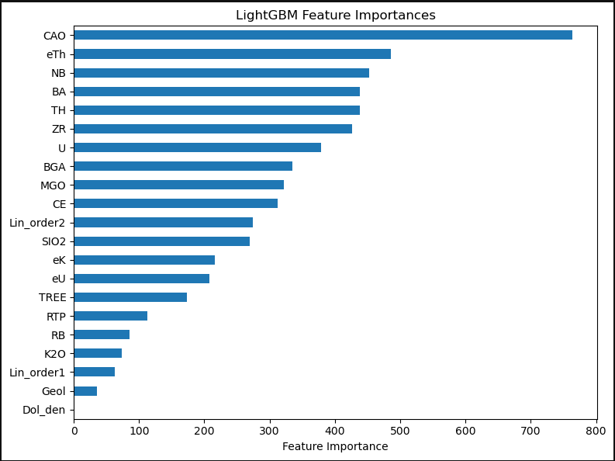
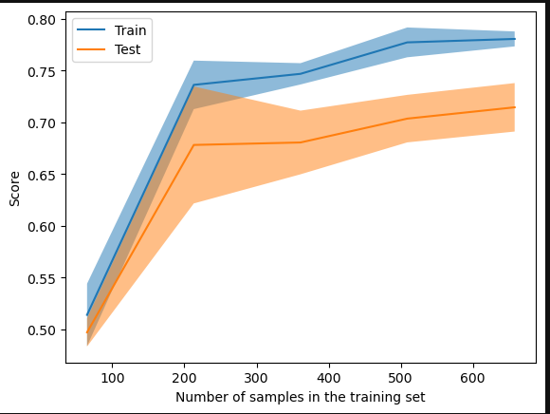
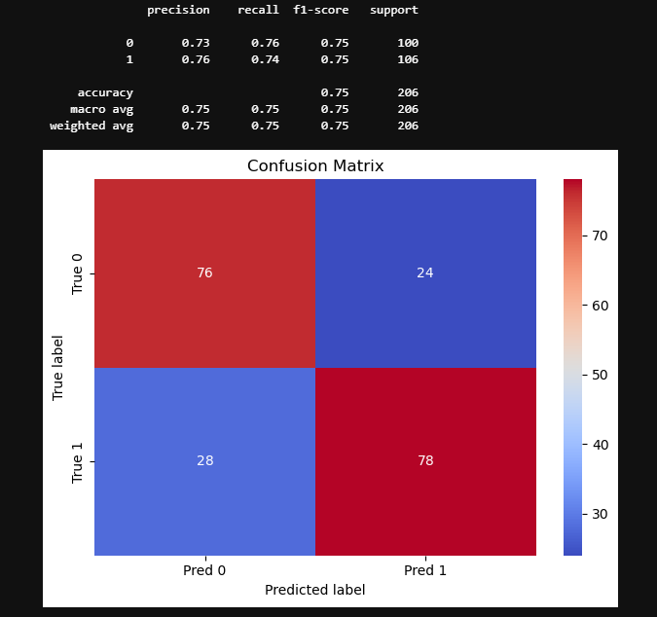
 | mean | std
fit_time | 0.120916 | 0.018093
score_time | 0.010378 | 0.00345
test_accuracy | 0.716888 | 0.025924
train_accuracy | 0.780989 | 0.007618
test_precision | 0.738335 | 0.022835
train_precision | 0.801116 | 0.008921
test_recall | 0.697339 | 0.070282
train_recall | 0.763607 | 0.016861
test_f1 | 0.715531 | 0.037995
train_f1 | 0.781797 | 0.008867

